WC-app
Workers Compensation Application
Required fields are indicated with an asterisk ( * ) |  | Pay attention to pop-up boxes with tips. |  | ed. 05/23
 | BASICS |  | BASICS

*Today's Date |  | *Effective Date desired
*Named Insured |  | *Years in Business
*Name(s) of Owner(s) |  | *Number of locations
*Mailing Address: |  | *Number of states with employees
*Street Address |  | Type of Organization
*City/State/Zip |  | *Federal Employer ID Number (FEIN)
*Physical Address: |  | *Annual Gross Sales (current)
*Street Address |  | *Annual Gross Sales (est. next year)
*City/State/Zip |  | *WC Employers Liability Limit Desired
*Person Completing Profile (a principal, partner, or officer) |  | *Current Workers Compensation?
*Name |  | *Current Contingent Liability Ins.?
*Email |  | *Current Occupational Accident Ins?
*Title |  | *Name of Insurer(s), Expiration Date, Annual Premiums:
*Other Entities to Insure:

 |  | *I am sending up-to-date WC loss runs

UNDERWRITING INFORMATION

*Have you sold or discontinued any operations in the past 5 years/
*Do you own or manage any other businesses?
*Is your business less than three (3) years old?
*Do you earn revenue from services other than delivery work (e.g. warehouse, forwarding/brokering, etc.)?
*Do you own/operate/lease aircraft or watercraft?
*Do you perform work on barges, vessels, docks or bridges over water?
*Do you transport hazardous materials in quantities that require placarding?
*Is a written safety program in place (if so, you must submit a copy)?
*Is your FMCSA SMS BASIC rating in Alert Status or under safety-related investigation (past 6 months)?
Details for any "Yes"
answers above:

*Has any Workers Comp. insurance been non-renewed, cancelled, or denied within the past 3 years?
*Have you had Workers Comp. (WC) claims during the past 5 years?
*One or more WC claims involved suspected or proven insurance fraud?
*Have any WC claims involved a worker you were treating as an independent contractor?
*Were any WC claims resolved by having an IC driver reclassified as an employee?
Details for any "Yes"
answers above:

*Any employees under 16 or over 70 years old or with physical handicaps?
*Any seasonal employees or volunteer labor?
*Do employees travel out of state (if so, indicate where and how often below)?
*Are physicals required of incoming employees?
*Are employee health plans provided?
*Do you lease employees to/from other employers?
*Do any employees predominantly work at home?
*Any tax liens or bankrupcy within the past five (5) years?
*Do you have a Return-to-Work program for injured employees?
Details for any "Yes"
answers above:

 | STAFFING (give # persons and est. Annual Payroll) |  | OWNERS & EXECUTIVE OFFICERS

*Payrolls for State of: |  | * Name
*Owners & Executive Off. |  | * Title
*Outside Sales Reps. |  | * Duties besides management/sales
*Office Admin./Clerical |  | * % Ownership
*Warehouse/Terminal |  | * Annual Compensation
*Garage/Mechanics |  | * Date of Birth
*Stationed at others' Loc. |  | * Include or Exclude for WC coverage?
*Foot or Bicycle Couriers
*Employee Drivers |  | * Name
*Other |  | * Title
*Total Employees/Payroll |  | * Duties besides management/sales
 |  | * % Ownership
*Payrolls for State of: |  | * Annual Compensation
*Owners & Executive Off. |  | * Date of Birth
*Outside Sales Reps. |  | * Include or Exclude for WC coverage?
*Office Admin./Clerical
*Warehouse/Terminal |  | * Name
*Garage/Mechanics |  | * Title
*Stationed at others' Loc. |  | * Duties besides management/sales
*Foot or Bicycle Couriers |  | * % Ownership
*Employee Drivers |  | * Annual Compensation
*Other |  | * Date of Birth
*Total Employees/Payroll |  | * Include or Exclude for WC coverage?

IMPORTANT NOTICES
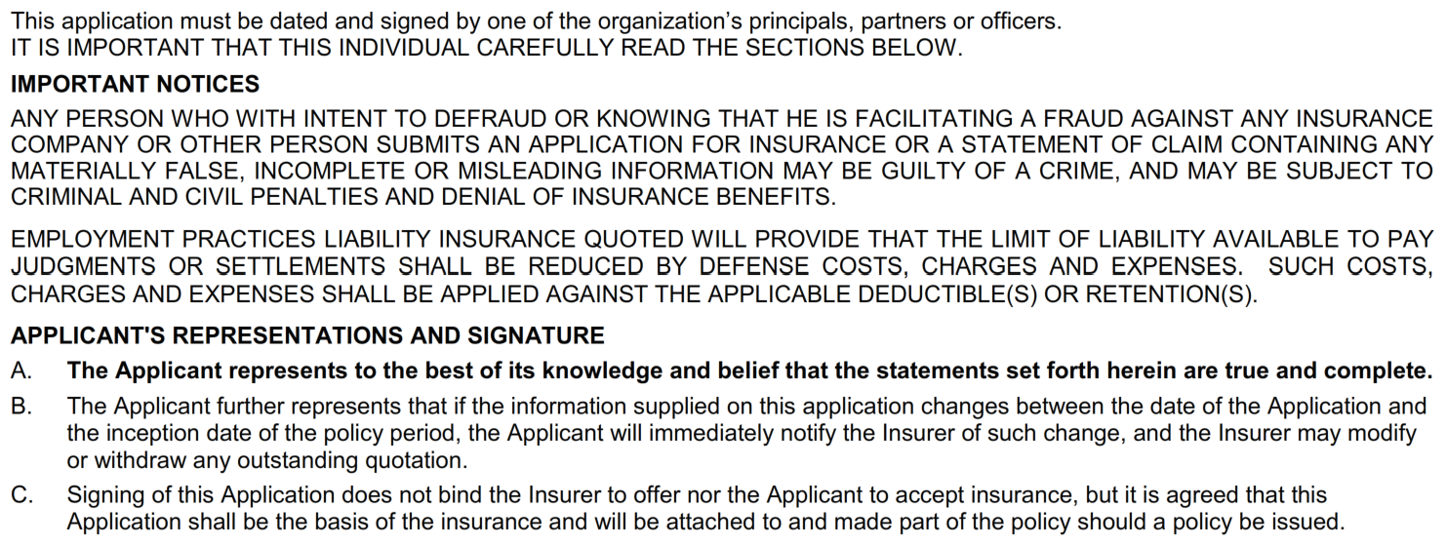

CERTIFICATION

*I certify I have personally completed this profile questionnaire and the information in it is true.
*Full Name
*Title

